FY20 Total Allocation
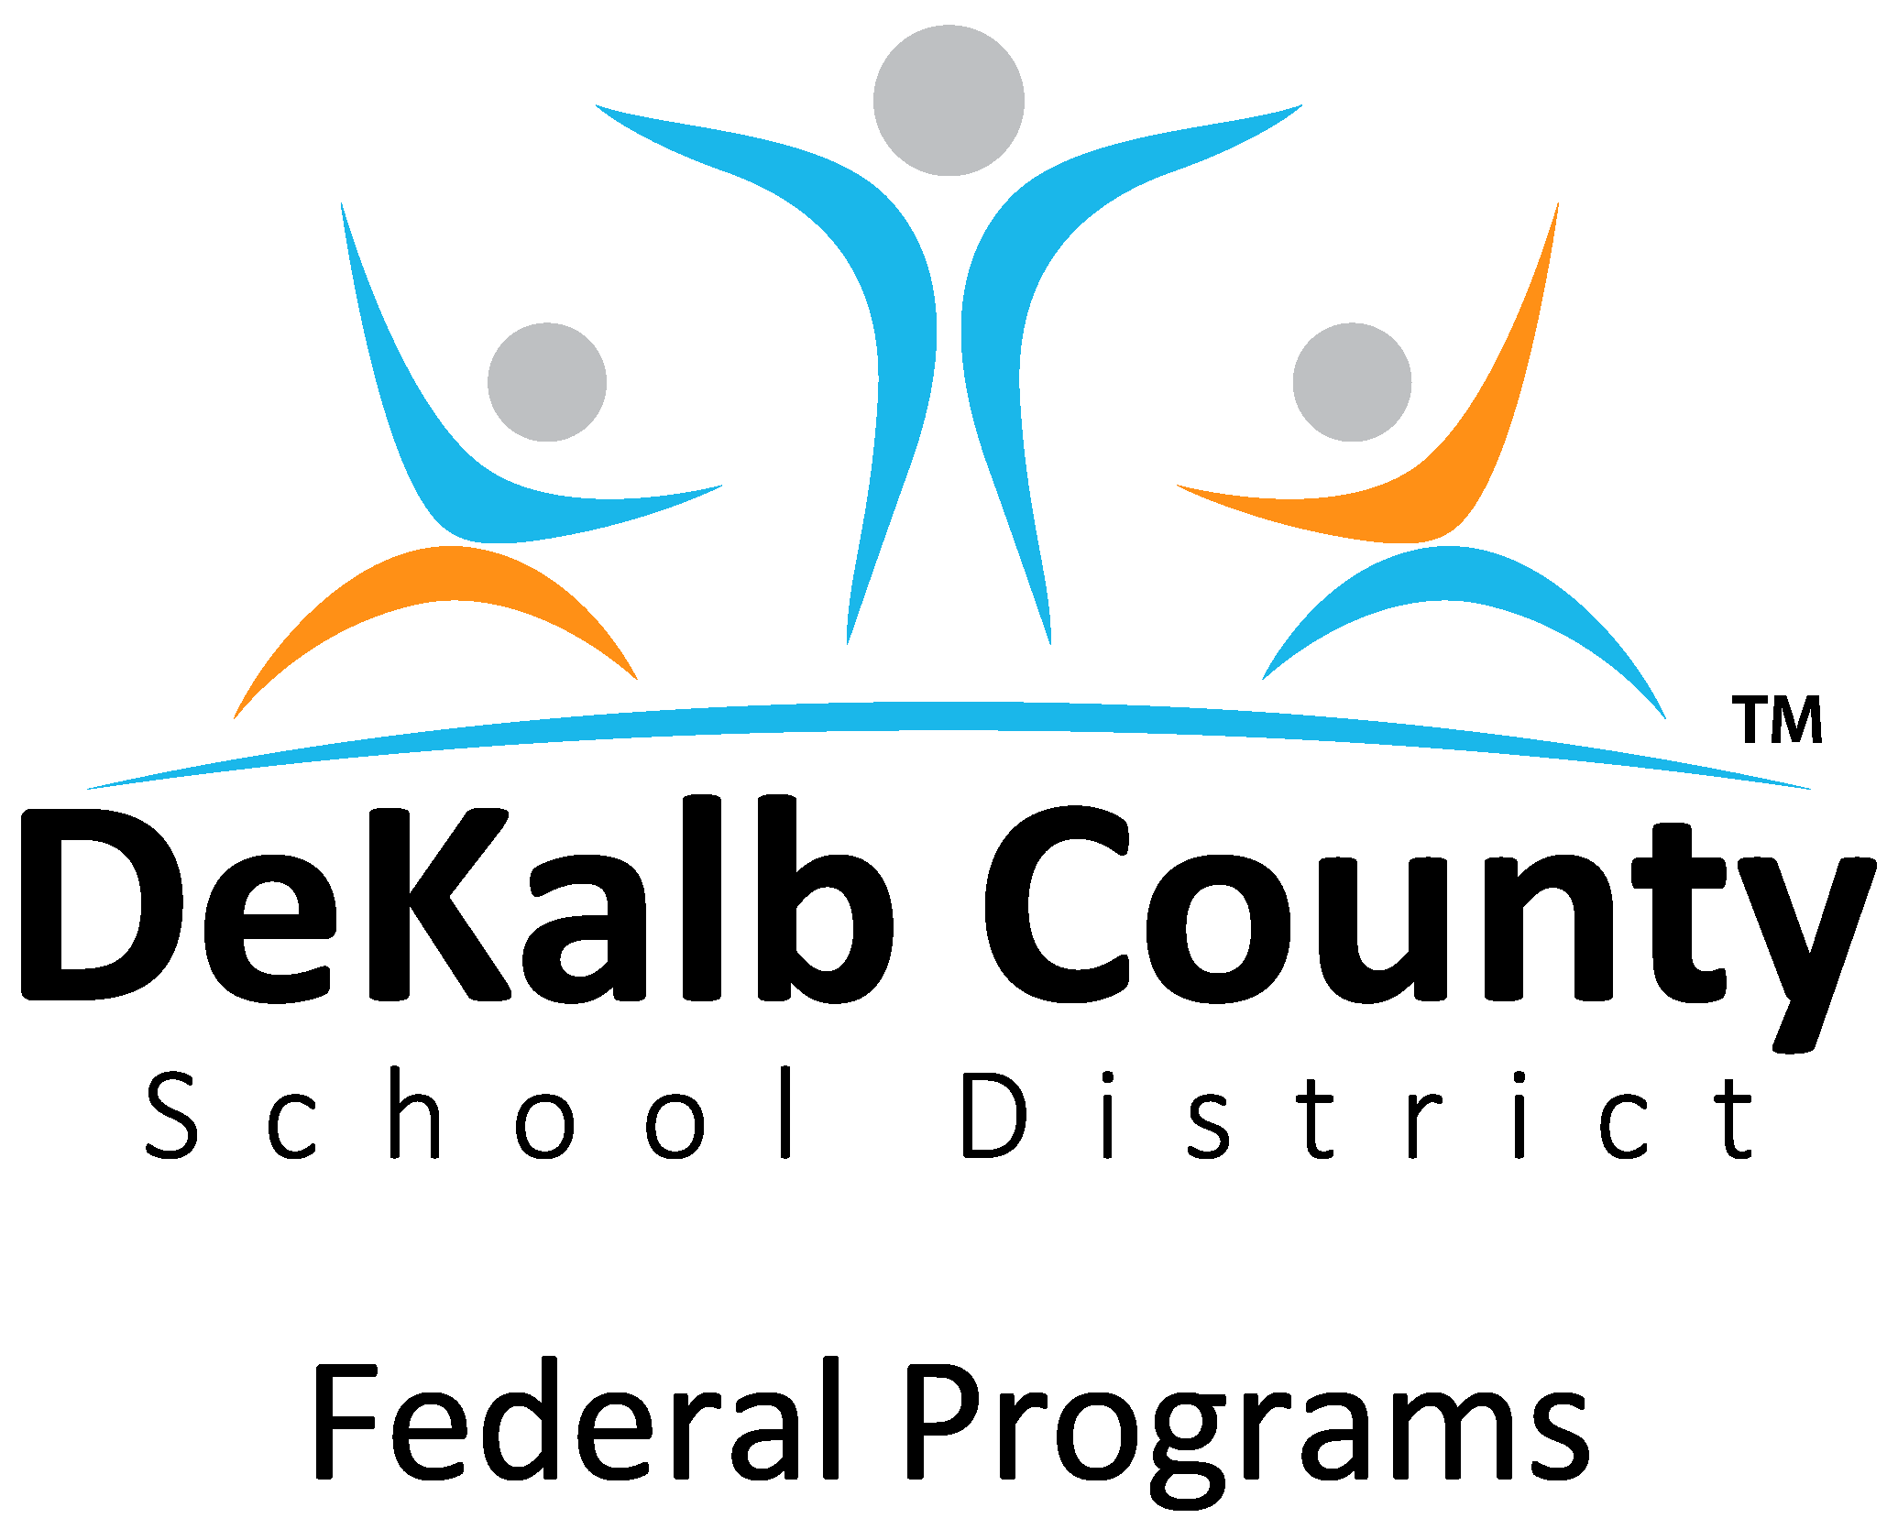
DEKALB COUNTY SCHOOL DISTRICT
Title I, Part A - FY20 Total Allocation
GaDOE FY20 Allocation | $40,367,890
Private School Allocation | $460,194
District Set Asides and School Allocation | $39,907,696
District Set Aside
Parent Family Engagement Set Aside |  | $363,311
Parent Family Engagement District Set Aside |  | $40,368
Additional Family Involvement |  | $870,000
Homeless Set Aside |  | $295,000
Neglected Set Aside |  | $331,425
Administrative Set Aside |  | $2,391,614
Improvement of Instructional Services |  | $825,000
Summer Literacy Program |  | $600,000
Indirect Cost Set Aside |  | $1,190,978
 | Sub Total - District Set Asides |  | $6,907,696
 | Amount Allocated to Schools |  | $33,000,000
 | TOTAL |  | $39,907,696

All allocations are subject to change based on GaDOE increase/decrease allocation

